Application Screen
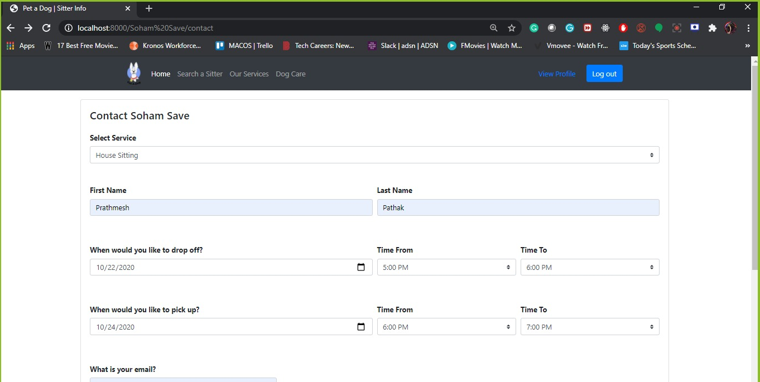
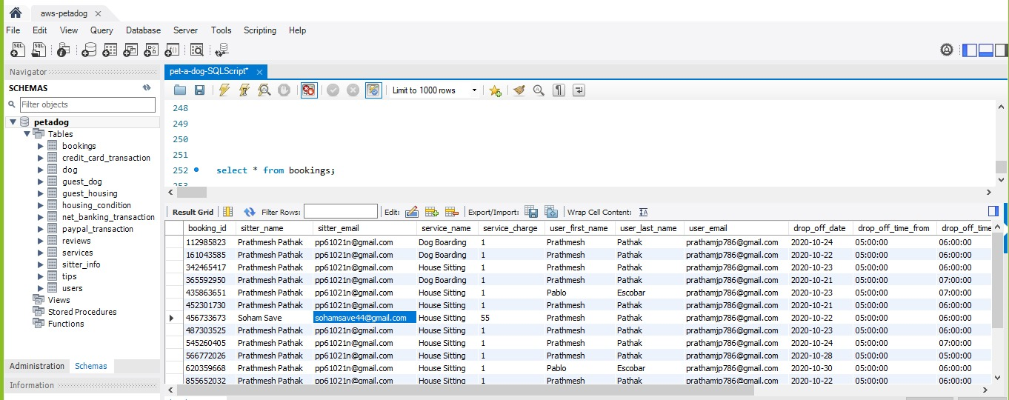

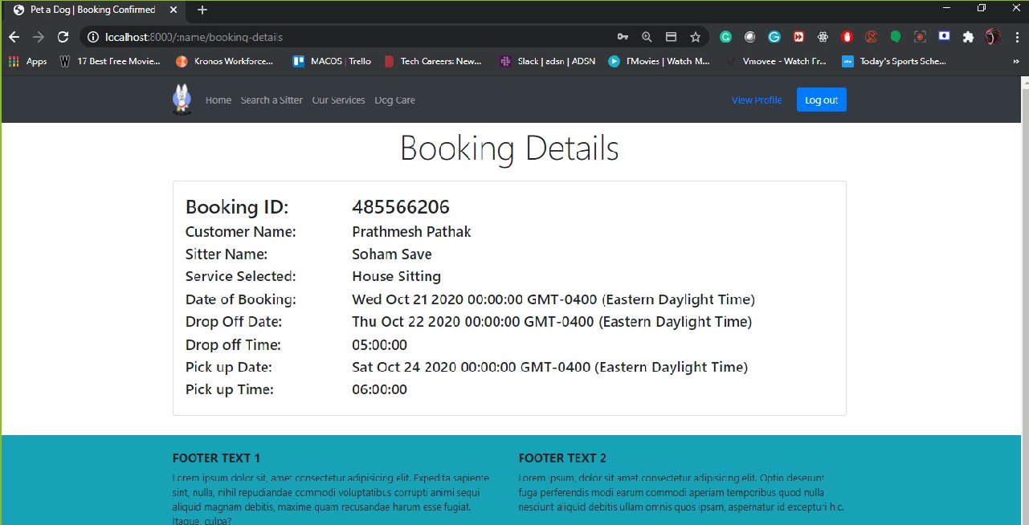
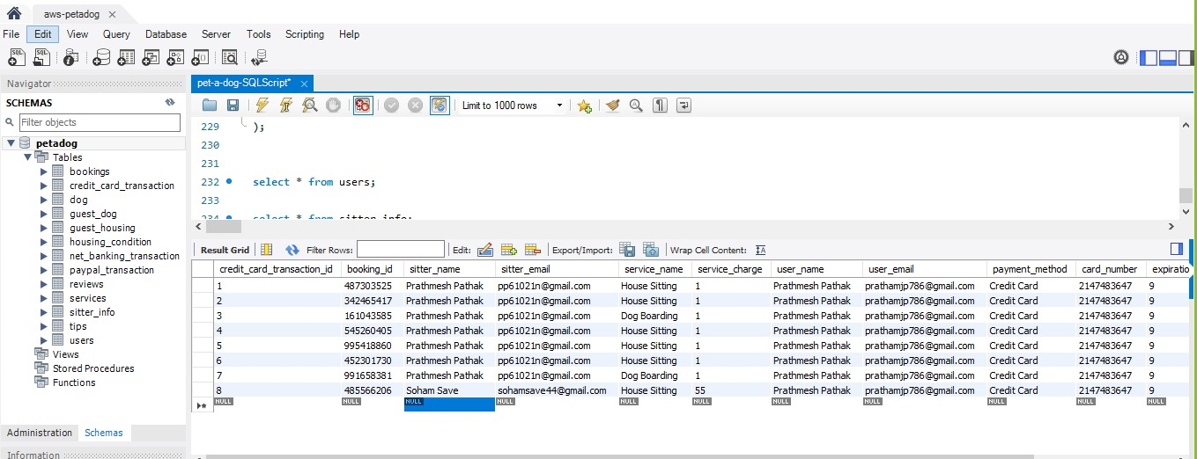

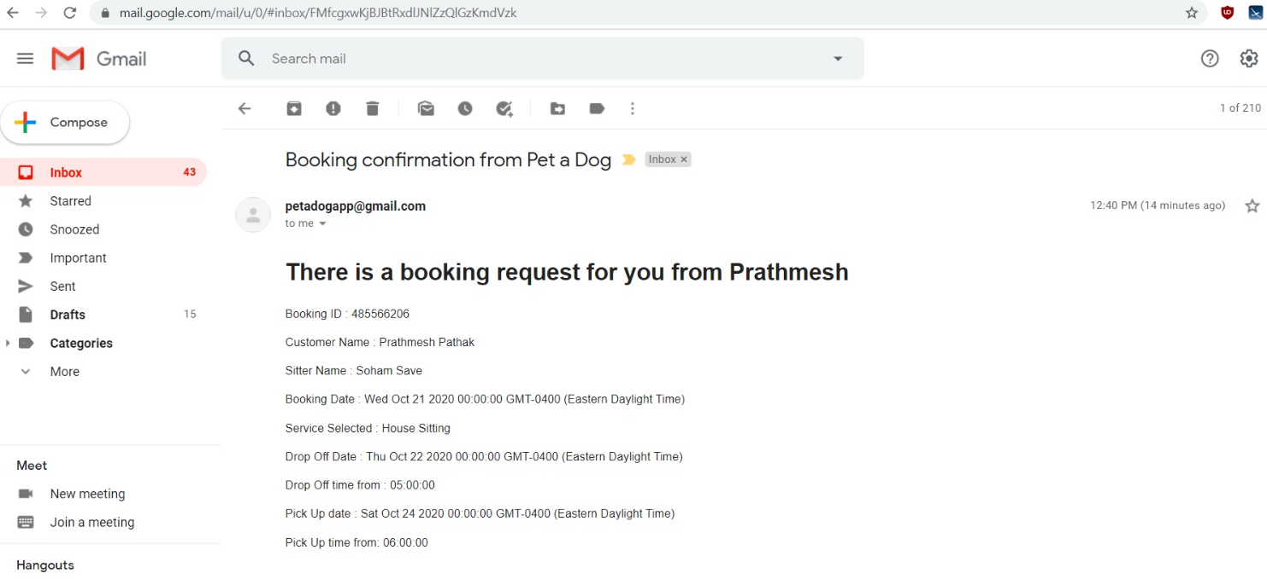
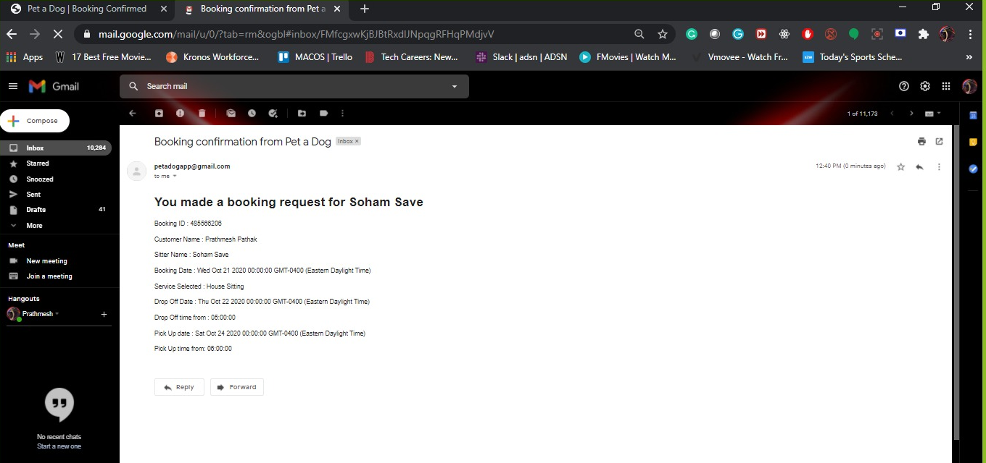

Test Case 2
TC Title: | TC2. Transaction Information - Core Functionality Testing + Data Flow In
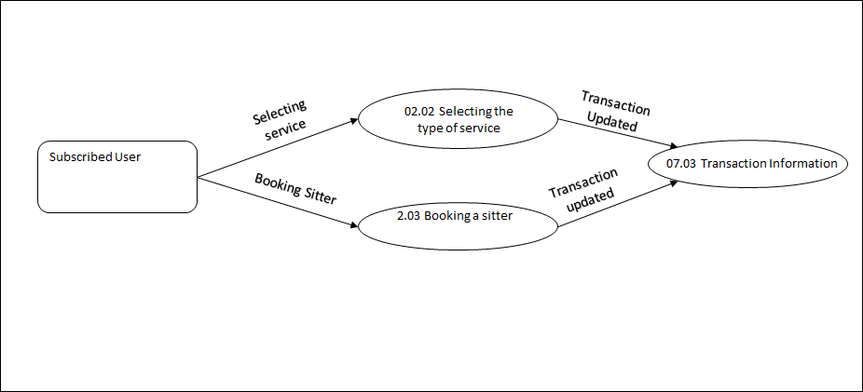
TC Objective: | To check when a subscribed user make the transaction for service, all the information is updated in Transaction Information

TC Description
 | Step | Step Description | Expected Results
 | 1 | After selecting a sitter, on the Selected Service page when the user click on the "Confirm Now" button | All the details entered by the user should be updated in Transaction Information with the newly generated Booking id.
 | 2 | Click the chosen payment method and fill out all the details and click on the "payment now" button on the payment page | The entered details by user should be updated in Transaction Information
 | 3 | User makes the booking on a given day | The Booking day of that user should be updated in Transaction Information
 | 4 | Enter details of Service Selected | The entered details by user should be updated in Transaction Information
 | 5 | Enter details of Pick-up Time and Date | The entered details by user should be updated in Transaction Information
 | 6 | Enter details of Drop-off Time and Date | The entered details by user should be updated in Transaction Information

Test Case 3
TC Title: | TC3. Transaction Information - Core Functionality + Data Flow out
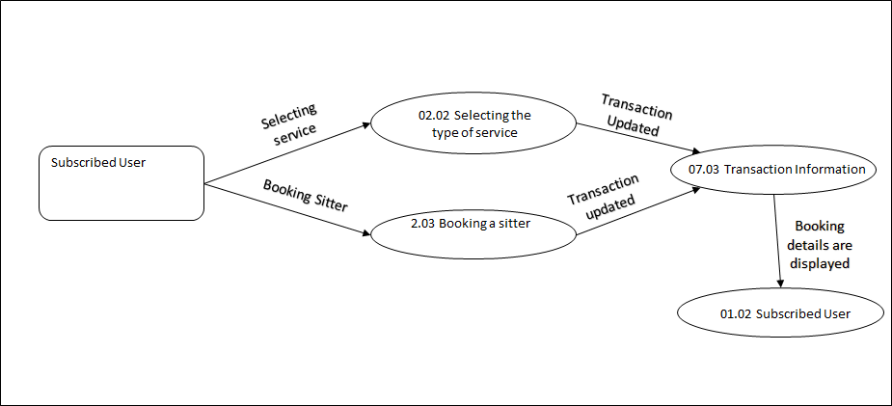
TC Objective: | Ensure that details from Transaction information are displayed properly

TC Description
 | Step | Step Description | Expected Results
 | 1 | After selecting a sitter, on the Selected Service page when the user clicks on the "Confirm Now" button | That Subscribed User should be navigated to the payment page and see all the details he/she has entered with the newly generated Booking id.
 | 2 | After making the Payment and click the "Payment Now" button | That Subscribed User should get to see all the Transaction Information with booking confirmation on their screen.
 | 3 | After making the Payment and click the "Payment Now" button | That Subscribed User should get the booking confirmation mail including all the Transaction Information.
 | 4 | After making the Payment and click the "Payment Now" button | Selected Sitter should get the confirmation mail including all the details about Booking.

